Thanks for Downloading
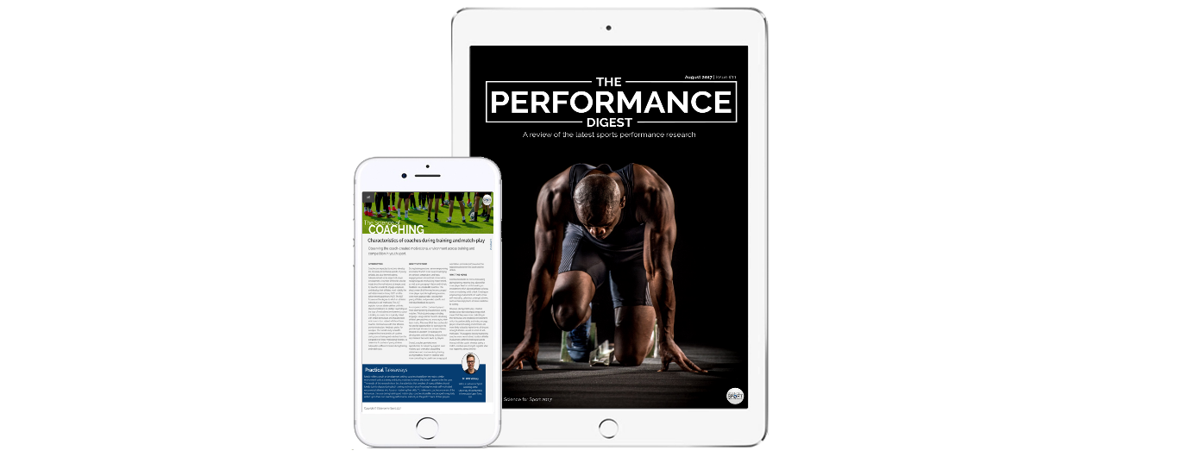
Thanks for downloading the | Smallest Worthwhile Change (SWC) Calculator
We hope you find this tool very useful.

Do you love sports performance but feel like it's impossible to keep up-to-date?
The answer? The Performance Digest

The Performance Digest is a monthly review of the latest sports performance research.

Topics include: strength and conditioning, nutrition, fatigue and recovery, technology and monitoring, youth development and the science of coaching.

Get your FREE COPY now!

SWC Calculator
 | 5-10-5 Shuttle Test Scores and Performance Targets

5-10-5 Shuttle Test Scores (s) |  |  |  |  |  |  |  |  | 5-10-5 Shuttle Test Performance Targets (s)

Athlete Name | Trial 1 | Trial 2 | Trial 3 | Best | CV (%) |  |  |  | Athlete Name | Best | SWC | CV | 2CV
1 | 5.25 | 5.34 | 5.34 | 5.25 | 0.80 |  |  |  | 1 | 5.25 | 5.22 | 5.19 | 5.12
2 | 5.43 | 5.41 | 5.24 | 5.24 | 1.59 |  |  |  | 2 | 5.24 | 5.21 | 5.18 | 5.11
3 | 5.7 | 5.52 | 5.57 | 5.52 | 1.36 |  |  |  | 3 | 5.52 | 5.49 | 5.46 | 5.39
4 | 5.63 | 5.72 | 5.75 | 5.63 | 0.89 | *SWC (s) | *CV (s) | *2CV (s) | 4 | 5.63 | 5.60 | 5.57 | 5.50 | *SWC (s) | *CV (s) | *2CV (s)

5 | 5.45 | 5.39 | 5.39 | 5.39 | 0.52 | 0.03 | 0.06 | 0.13 | 5 | 5.39 | 5.36 | 5.33 | 5.26 | 0.03 | 0.06 | 0.13
6 | 5.65 | 5.55 | 5.39 | 5.39 | 1.94 |  |  |  | 6 | 5.39 | 5.36 | 5.33 | 5.26
7 | 5.16 | 5.34 | 5.35 | 5.16 | 1.65 |  |  |  | 7 | 5.16 | 5.13 | 5.10 | 5.03
8 | 5.66 | 5.7 | 5.5 | 5.5 | 1.54 |  |  |  | 8 | 5.5 | 5.47 | 5.44 | 5.37
9 | 5.07 | 5.26 | 5.16 | 5.07 | 1.50 |  |  |  | 9 | 5.07 | 5.04 | 5.01 | 4.94
10 | 5.32 | 5.38 | 5.52 | 5.32 | 1.55 |  |  |  | 10 | 5.32 | 5.29 | 5.26 | 5.19
11 | 5.41 | 5.41 | 5.46 | 5.41 | 0.43 |  |  |  | 11 | 5.41 | 5.38 | 5.35 | 5.28
12 | 5.25 | 5.29 | 5.34 | 5.25 | 0.70 |  |  |  | 12 | 5.25 | 5.22 | 5.19 | 5.38
13 | 5.16 | 5.26 | 5.23 | 5.16 | 0.80 | * SWC = 0.2 * Std. Dev. |  |  | 13 | 5.16 | 5.13 | 5.10 | 5.03 | * SWC = 0.2 * Std. Dev.
14 | 5.43 | 5.33 | 5.31 | 5.31 | 0.98 | *CV = Avg/100 *CV% |  |  | 14 | 5.31 | 5.28 | 5.25 | 5.18 | *CV = Avg/100 *CV%
15 | 5.14 | 5.35 | 5.23 | 5.14 | 1.64 | *2CV = CV (s) * 2 |  |  | 15 | 5.14 | 5.11 | 5.08 | 5.01 | *2CV = CV (s) * 2

Average |  |  |  | 5.32 | 1.19
Std. Dev. |  |  |  | 0.15
 |  |  |  |  |  |  |  |  | SWC = Trivial
 |  |  |  |  |  |  |  |  | CV = Possible
 |  |  |  |  |  |  |  |  | 2CV = Certain

