Thanks for Downloading
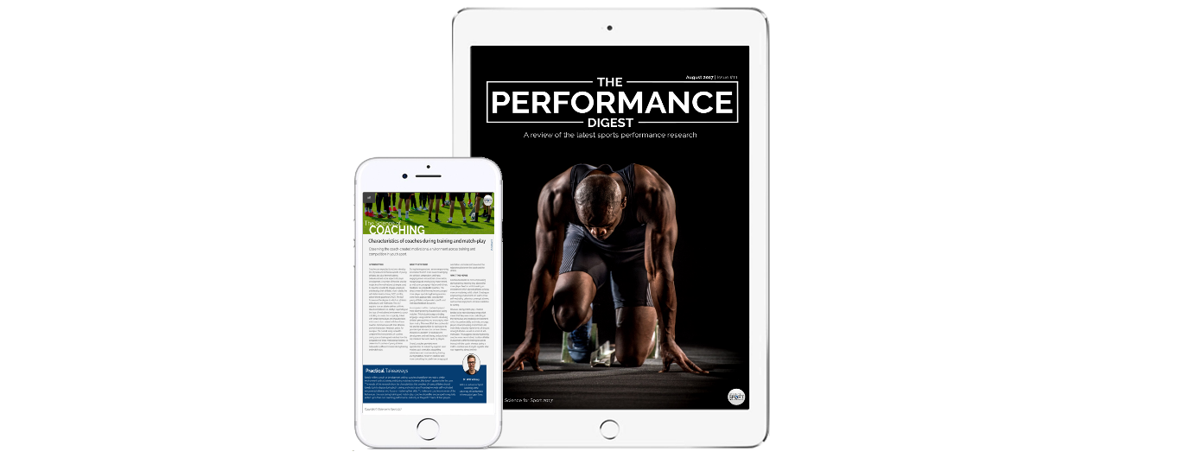
Thanks for downloading the | Maturity Offset and Peak Height Velocity Calculator
We hope you find this tool very useful.

Struggling to stay up-to-date with the latest research and info on Youth Physical Development?
The answer? The Performance Digest

The Performance Digest is a monthly review of the latest sports performance research.

Topics include: strength and conditioning, nutrition, fatigue and recovery, technology and monitoring, youth development and the science of coaching.

Get your FREE COPY now!

PHV Calculator (Team 1)

 |  |  | Read the full PHV article at: |  |  |  |  |  | Fill data into blue boxes
 |  |  | http://www.scienceforsport.com/peak-height-velocity/ |  |  |  |  |  | Do not edit orange boxes
 |  |  |  |  |  |  |  |  | Do not edit green boxes

 |  |  | PHV Data |  |  | Athlete's Details |  |  |  |  |  |  |  |  |  |  |  |  |  | Additional Information

 | First Name | Last Name | Age @ PHV | Maturity Offset (years) | Date of Measure (dd-mm-yy) | Date of Birth (dd-mm-yy) | Age (years) | Gender (M=1, F=2) | Height 1 (cm) | Height 2 (cm) | Height (cm) | Weight 1 (kg) | Weight 2 (kg) | Weight (kg) | Bench Height (cm) | Sitting Height 1 (cm) | Sitting Height 2 (cm) | Sitting Height (cm) | Leg Length (cm) | Height/ Weight ratio | BMI | Sitting/ Stand height | Leg length & sitting height interaction | Age & leg length interaction | Age & sitting height interaction | Age & weight interaction | Weight/ Height ratio
1 | Joe | Bloggs | 12.7 | -2.5 | 2017-11-05 | 2007-08-06 | 10.2 | 1 | 162.9 | 163.0 | 163.0 | 50.2 | 50.2 | 50.2 | 40.0 | 117.0 | 117.2 | 77.1 | 85.9 | 44.2 | 18.9 | 0.5 | 6619.0 | 879.7 | 790.1 | 514.4 | 30.8
2 | Jemma | Bloggs | 10.3 | -1.1 | 2017-11-05 | 2008-08-06 | 9.2 | 2 | 162.9 | 163.0 | 163.0 | 50.2 | 50.2 | 50.2 | 40.0 | 117.0 | 117.2 | 77.1 | 85.9 | 44.2 | 18.9 | 0.5 | 6619.0 | 793.9 | 713.0 | 464.2 | 30.8
3 | John | Bloggs | 11.6 | -3.3 | 2017-11-05 | 2009-08-06 | 8.2 | 1 | 162.9 | 163.0 | 163.0 | 50.2 | 50.2 | 50.2 | 40.0 | 117.0 | 117.2 | 77.1 | 85.9 | 44.2 | 18.9 | 0.5 | 6619.0 | 708.0 | 635.9 | 414.0 | 30.8
4 | Joanna | Bloggs | 9.3 | -2.1 | 2017-11-05 | 2010-08-06 | 7.2 | 2 | 162.9 | 163.0 | 163.0 | 50.2 | 50.2 | 50.2 | 40.0 | 117.0 | 117.2 | 77.1 | 85.9 | 44.2 | 18.9 | 0.5 | 6619.0 | 622.2 | 558.8 | 363.8 | 30.8
5 |  |  | 9.2 | -9.2 |  |  | 0.0 |  |  |  | 0.0 |  |  | 0.0 |  |  |  | 0.0 | 0.0 | 0.0 | 0.0 | 0.0 | 0.0 | 0.0 | 0.0 | 0.0 | 0.0
6 |  |  | 9.2 | -9.2 |  |  | 0.0 |  |  |  | 0.0 |  |  | 0.0 |  |  |  | 0.0 | 0.0 | 0.0 | 0.0 | 0.0 | 0.0 | 0.0 | 0.0 | 0.0 | 0.0
7 |  |  | 9.2 | -9.2 |  |  | 0.0 |  |  |  | 0.0 |  |  | 0.0 |  |  |  | 0.0 | 0.0 | 0.0 | 0.0 | 0.0 | 0.0 | 0.0 | 0.0 | 0.0 | 0.0
8 |  |  | 9.2 | -9.2 |  |  | 0.0 |  |  |  | 0.0 |  |  | 0.0 |  |  |  | 0.0 | 0.0 | 0.0 | 0.0 | 0.0 | 0.0 | 0.0 | 0.0 | 0.0 | 0.0
9 |  |  | 9.2 | -9.2 |  |  | 0.0 |  |  |  | 0.0 |  |  | 0.0 |  |  |  | 0.0 | 0.0 | 0.0 | 0.0 | 0.0 | 0.0 | 0.0 | 0.0 | 0.0 | 0.0
10 |  |  | 9.2 | -9.2 |  |  | 0.0 |  |  |  | 0.0 |  |  | 0.0 |  |  |  | 0.0 | 0.0 | 0.0 | 0.0 | 0.0 | 0.0 | 0.0 | 0.0 | 0.0 | 0.0
11 |  |  | 9.2 | -9.2 |  |  | 0.0 |  |  |  | 0.0 |  |  | 0.0 |  |  |  | 0.0 | 0.0 | 0.0 | 0.0 | 0.0 | 0.0 | 0.0 | 0.0 | 0.0 | 0.0
12 |  |  | 9.2 | -9.2 |  |  | 0.0 |  |  |  | 0.0 |  |  | 0.0 |  |  |  | 0.0 | 0.0 | 0.0 | 0.0 | 0.0 | 0.0 | 0.0 | 0.0 | 0.0 | 0.0
13 |  |  | 9.2 | -9.2 |  |  | 0.0 |  |  |  | 0.0 |  |  | 0.0 |  |  |  | 0.0 | 0.0 | 0.0 | 0.0 | 0.0 | 0.0 | 0.0 | 0.0 | 0.0 | 0.0
14 |  |  | 9.2 | -9.2 |  |  | 0.0 |  |  |  | 0.0 |  |  | 0.0 |  |  |  | 0.0 | 0.0 | 0.0 | 0.0 | 0.0 | 0.0 | 0.0 | 0.0 | 0.0 | 0.0
15 |  |  | 9.2 | -9.2 |  |  | 0.0 |  |  |  | 0.0 |  |  | 0.0 |  |  |  | 0.0 | 0.0 | 0.0 | 0.0 | 0.0 | 0.0 | 0.0 | 0.0 | 0.0 | 0.0
16 |  |  | 9.2 | -9.2 |  |  | 0.0 |  |  |  | 0.0 |  |  | 0.0 |  |  |  | 0.0 | 0.0 | 0.0 | 0.0 | 0.0 | 0.0 | 0.0 | 0.0 | 0.0 | 0.0
17 |  |  | 9.2 | -9.2 |  |  | 0.0 |  |  |  | 0.0 |  |  | 0.0 |  |  |  | 0.0 | 0.0 | 0.0 | 0.0 | 0.0 | 0.0 | 0.0 | 0.0 | 0.0 | 0.0
18 |  |  | 9.2 | -9.2 |  |  | 0.0 |  |  |  | 0.0 |  |  | 0.0 |  |  |  | 0.0 | 0.0 | 0.0 | 0.0 | 0.0 | 0.0 | 0.0 | 0.0 | 0.0 | 0.0
19 |  |  | 9.2 | -9.2 |  |  | 0.0 |  |  |  | 0.0 |  |  | 0.0 |  |  |  | 0.0 | 0.0 | 0.0 | 0.0 | 0.0 | 0.0 | 0.0 | 0.0 | 0.0 | 0.0
20 |  |  | 9.2 | -9.2 |  |  | 0.0 |  |  |  | 0.0 |  |  | 0.0 |  |  |  | 0.0 | 0.0 | 0.0 | 0.0 | 0.0 | 0.0 | 0.0 | 0.0 | 0.0 | 0.0
21 |  |  | 9.2 | -9.2 |  |  | 0.0 |  |  |  | 0.0 |  |  | 0.0 |  |  |  | 0.0 | 0.0 | 0.0 | 0.0 | 0.0 | 0.0 | 0.0 | 0.0 | 0.0 | 0.0
22 |  |  | 9.2 | -9.2 |  |  | 0.0 |  |  |  | 0.0 |  |  | 0.0 |  |  |  | 0.0 | 0.0 | 0.0 | 0.0 | 0.0 | 0.0 | 0.0 | 0.0 | 0.0 | 0.0
23 |  |  | 9.2 | -9.2 |  |  | 0.0 |  |  |  | 0.0 |  |  | 0.0 |  |  |  | 0.0 | 0.0 | 0.0 | 0.0 | 0.0 | 0.0 | 0.0 | 0.0 | 0.0 | 0.0
24 |  |  | 9.2 | -9.2 |  |  | 0.0 |  |  |  | 0.0 |  |  | 0.0 |  |  |  | 0.0 | 0.0 | 0.0 | 0.0 | 0.0 | 0.0 | 0.0 | 0.0 | 0.0 | 0.0
25 |  |  | 9.2 | -9.2 |  |  | 0.0 |  |  |  | 0.0 |  |  | 0.0 |  |  |  | 0.0 | 0.0 | 0.0 | 0.0 | 0.0 | 0.0 | 0.0 | 0.0 | 0.0 | 0.0
26 |  |  | 9.2 | -9.2 |  |  | 0.0 |  |  |  | 0.0 |  |  | 0.0 |  |  |  | 0.0 | 0.0 | 0.0 | 0.0 | 0.0 | 0.0 | 0.0 | 0.0 | 0.0 | 0.0
27 |  |  | 9.2 | -9.2 |  |  | 0.0 |  |  |  | 0.0 |  |  | 0.0 |  |  |  | 0.0 | 0.0 | 0.0 | 0.0 | 0.0 | 0.0 | 0.0 | 0.0 | 0.0 | 0.0
28 |  |  | 9.2 | -9.2 |  |  | 0.0 |  |  |  | 0.0 |  |  | 0.0 |  |  |  | 0.0 | 0.0 | 0.0 | 0.0 | 0.0 | 0.0 | 0.0 | 0.0 | 0.0 | 0.0
29 |  |  | 9.2 | -9.2 |  |  | 0.0 |  |  |  | 0.0 |  |  | 0.0 |  |  |  | 0.0 | 0.0 | 0.0 | 0.0 | 0.0 | 0.0 | 0.0 | 0.0 | 0.0 | 0.0
30 |  |  | 9.2 | -9.2 |  |  | 0.0 |  |  |  | 0.0 |  |  | 0.0 |  |  |  | 0.0 | 0.0 | 0.0 | 0.0 | 0.0 | 0.0 | 0.0 | 0.0 | 0.0 | 0.0

 | Disclaimer |  |  |  |  |  |  |  | References
 | Use this calculator at your own risk. This calculator may or may not be accurate or reliable. By using this calculator you acknowledge any reliance on this calculator shall be at your sole risk. |  |  |  |  |  |  |  | Mirwald, R.L., Baxter-Jones, A.D.G., Bailey, D.A., & Beunen, G.P. (2002). An assessment of maturity from anthropometric measurements. Medicine and Science Sports Exercise, 34(4), pp. 689–694.

